TestSummary
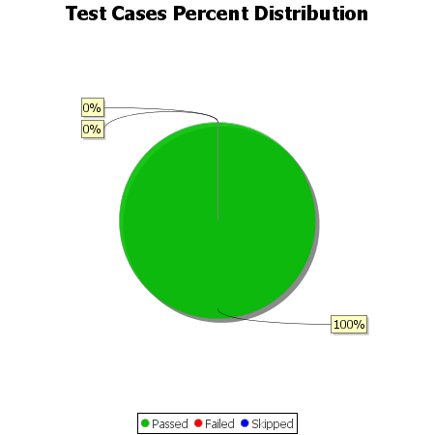
Total Test Cases | 11
Test Cases Passed | 11
Test Cases Failed | 0
Test Cases Skipped | 0

